1.ITAA_RITA_Inventory_c
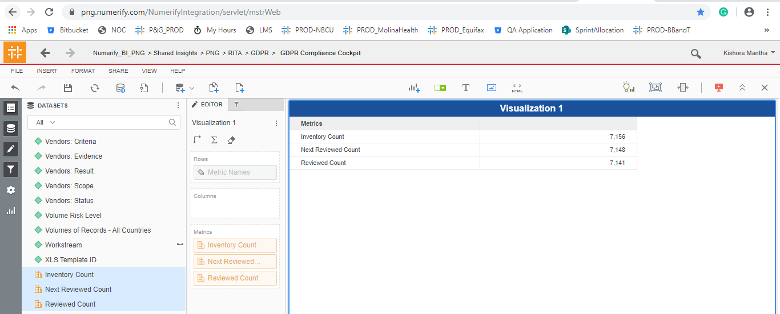
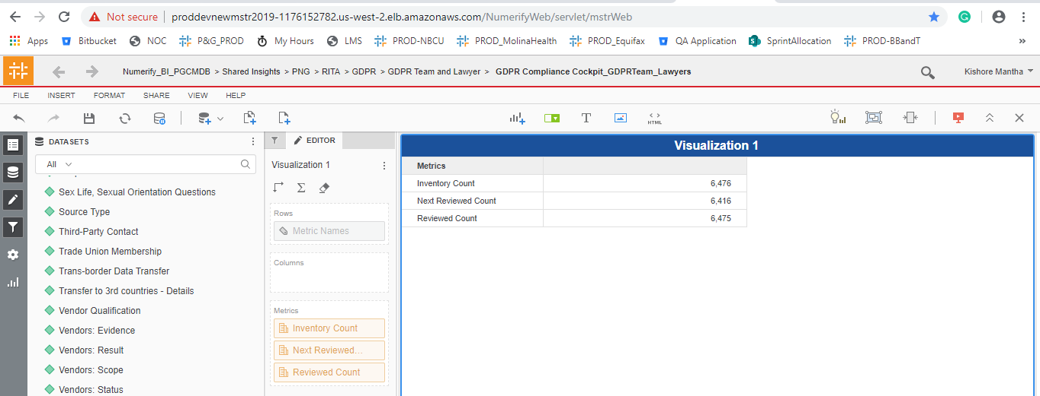
S No | Attribute | Prod Dev- CMDB Project | Prod
1 | # of Data Stakeholders from EU | No change and Working fine
2 | Additional Information | No change and Working fine
3 | ADM | No change and Working fine
4 | Adverse Event Information | No change and Working fine
5 | Age Class | No change and Working fine
6 | Asset ID | No change and Working fine
7 | Biometric data | No change and Working fine
8 | Business Contact | No change and Working fine
9 | Business Process / Service | No change and Working fine
10 | Business Process Owner | No change and Working fine
11 | Calendar Date | No change and Working fine
12 | Calendar Month | No change and Working fine
13 | Calendar Year | No change and Working fine
14 | Compliance Prioritization2 | No change and Working fine
15 | Consumer Account Username And Password | No change and Working fine
16 | Contractual Data - LEs | No change and Working fine
17 | Country Collected | No change and Working fine
18 | Credit Card Numbers | No change and Working fine
19 | Criminal or Judicial Records | No change and Working fine
20 | Custom Field #1 | No change and Working fine
21 | Custom Field #10 | No change and Working fine
22 | Custom Field #2 | No change and Working fine
23 | Custom Field #3 | No change and Working fine
24 | Custom Field #4 | No change and Working fine
25 | Custom Field #5 | No change and Working fine
26 | Custom Field #6 | No change and Working fine
27 | Custom Field #7 | No change and Working fine
28 | Custom Field #8 | No change and Working fine
29 | Custom Field #9 | No change and Working fine
30 | Data About Children Under 13 | No change and Working fine
31 | Data About Teens Between 13-15 Years Old | No change and Working fine
32 | Data Breach Response: Criteria | Removed as part of CR-340
33 | Data Breach Response: Evidence | Removed as part of CR-340
34 | Data Breach Response: Result | Should be Removed ? Only Unknows are displayed
35 | Data Breach Response: Scope | Should be Removed ? Only False is displayed
36 | Data Breach Response: Status | Removed as part of CR-340
37 | Data From Children | No change and Working fine
38 | Data Retention | No change and Working fine
39 | Data Retention: Criteria | Removed as part of CR-340
40 | Data Retention: Evidence | No change and Working fine
41 | Data Retention: Result | No change and Working fine
42 | Data Retention: Scope | No change and Working fine
43 | Data Retention: Status | No change and Working fine
44 | Data Subject Rights: Criteria | Removed as part of CR-340
45 | Data Subject Rights: Evidence | No change and Working fine
46 | Data Subject Rights: Result | No change and Working fine
47 | Data Subject Rights: Scope | No change and Working fine
48 | Data Subject Rights: Status | No change and Working fine
49 | Data Subject Type - P&G | No change and Working fine
50 | Data Subject Type - P&G - Other | No change and Working fine
51 | Description | No change and Working fine
52 | Digital Signature Data | No change and Working fine
53 | DPIA: Criteria | No change and Working fine
54 | DPIA: Evidence | No change and Working fine
55 | DPIA: Result | Not Working as Expected. Only UNKNOWNs are populated.
56 | DPIA: Scope | No change and Working fine
57 | DPIA: Status | Not Working as Expected. Only UNKNOWNs are populated.
58 | Electronic Identification Data | No change and Working fine
59 | Family Composition | No change and Working fine
60 | Financial Account Number | No change and Working fine
61 | Genetic Data | No change and Working fine
62 | Government ID, government-issued ID | No change and Working fine
63 | Identification Data | No change and Working fine
64 | Image/Sound Recordings | No change and Working fine
65 | Inventory ID | No change and Working fine
66 | Inventory: Criteria | Removed as part of CR-340
67 | Inventory: Evidence | Removed as part of CR-340
68 | Inventory: Result | Should be Removed ? Only Unknows are displayed
69 | Inventory: Scope | Should be Removed ?
70 | Inventory: Status | Removed as part of CR-340
71 | L0 Managing Organization | No change and Working fine
72 | L1 Managing Organizaion | No change and Working fine
73 | L2 Managing Organization | No change and Working fine
74 | L3 Managing Organization | No change and Working fine
75 | Last Reviewed Date | No change and Working fine
76 | Last Reviewed Date (Internal) | No change and Working fine
77 | Last Reviewed Reviewer | No change and Working fine
78 | Lawfulness Basis: Criteria | No change and Working fine
79 | Lawfulness Basis: Evidence | No change and Working fine
80 | Lawfulness Basis: Result | No change and Working fine
81 | Lawfulness Basis: Scope | No change and Working fine
82 | Lawfulness Basis: Status | No change and Working fine
83 | Managing Organization | No change and Working fine
84 | MEGA Record ID | Removed as part of CR-340
85 | Minimizaiton: Result | No change and Working fine
86 | Minimization: Criteria | Removed as part of CR-340
87 | Minimization: Evidence | No change and Working fine
88 | Minimization: Scope | No change and Working fine
89 | Minimization: Status | No change and Working fine
90 | Month Year Trend | No change and Working fine
91 | Next Reviewed Date | No change and Working fine
92 | Notice: Criteria | Removed as part of CR-340
93 | Notice: Evidence | No change and Working fine
94 | Notice: Result | No change and Working fine
95 | Notice: Scope | No change and Working fine
96 | Notice: Status | No change and Working fine
97 | Other Health Or Medical Data | No change and Working fine
98 | Owning Organization | No change and Working fine
99 | P&G Sites / Departments | No change and Working fine
100 | Personal Characteristics | No change and Working fine
101 | PG Users | Removed as part of CR-340
102 | PII Data Type Final - SP formula | No change and Working fine
103 | PII Handled | No change and Working fine
104 | Political opinions, political party affiliation | No change and Working fine
105 | Precise Geo Location Data | No change and Working fine
106 | Processing Activity | No change and Working fine
107 | Processing Activity - Repository Sub-Type | No change and Working fine
108 | Processing Activity - Repository Type | No change and Working fine
109 | Processing Activity Life Cycle Status | No change and Working fine
110 | Processing Activity Linked to P&G System | Removed as part of CR-340
111 | Profession | No change and Working fine
112 | Protected Health Information (“PHI”) as defined by HIPAA | No change and Working fine
113 | Purchasing Contact | No change and Working fine
114 | Racial or Ethnic Origin | No change and Working fine
115 | Reason For Collection | No change and Working fine
116 | Reasonable InfoSec: Criteria | Removed as part of CR-340
117 | Reasonable InfoSec: Evidence | No change and Working fine
118 | Reasonable InfoSec: Result | Should be Removed ? Only Unknows are displayed
119 | Reasonable InfoSec: Scope | No change and Working fine
120 | Reasonable InfoSec: Status | Should be Removed ? Only Unknows are displayed
121 | Recipients of the Data | No change and Working fine
122 | Related IT Asset ID | No change and Working fine
123 | Religious Or Philosophical Beliefs | No change and Working fine
124 | Remediation Icontract | Removed as part of CR-340
125 | Remediation Required | Removed as part of CR-340
126 | Remediation TPRM | No change and Working fine
127 | Remediation: GUV Number | No change and Working fine
128 | Retired Date | No change and Working fine
129 | RoPA linked to IT Asset | No change and Working fine
130 | SAP Vendor Name | No change and Working fine
131 | SAP Vendor Number | No change and Working fine
132 | Scope Number | No change and Working fine
133 | Sex Life, Sexual Orientation Questions | No change and Working fine
134 | Source Type | No change and Working fine
135 | SPO Record Id | Removed as part of CR-340
136 | Third-Party Contact | No change and Working fine
137 | Third-Party Users | Removed as part of CR-340
138 | TISL Backup | Removed as part of CR-340
139 | TISL Primary | Removed as part of CR-340
140 | Trade Union Membership | No change and Working fine
141 | Trans-border Data Transfer | No change and Working fine
142 | Transfer to 3rd countries - Details | No change and Working fine
143 | Vendor Qualification | No change and Working fine
144 | Vendors: Criteria | Removed as part of CR-340
145 | Vendors: Evidence | No change and Working fine
146 | Vendors: Result | Should be Removed ? Only Unknows are displayed
147 | Vendors: Scope | No change and Working fine
148 | Vendors: Status | Should be Removed ? Only Unknows are displayed
149 | Volume Risk Level | No change and Working fine
150 | Volumes of Records - All Countries | No change and Working fine
151 | Workstream | No change and Working fine
152 | XLS Template ID | Removed as part of CR-340

S No | Metrics | Prod dev | PROD
1 | Inventory Count | No change and Working fine
2 | Next Reviewed Count | No change and Working fine - No Dependant attributes are removed
3 | Reviewed Count | No change and Working fine - No Dependant attributes are removed

2.RITA_ProcessingActivityValida
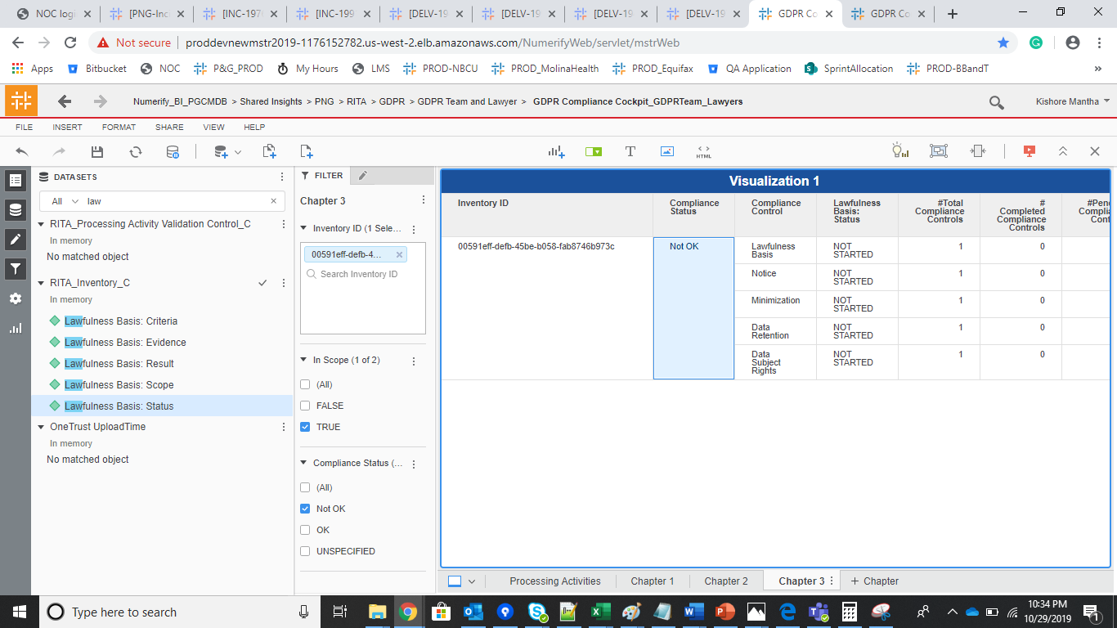
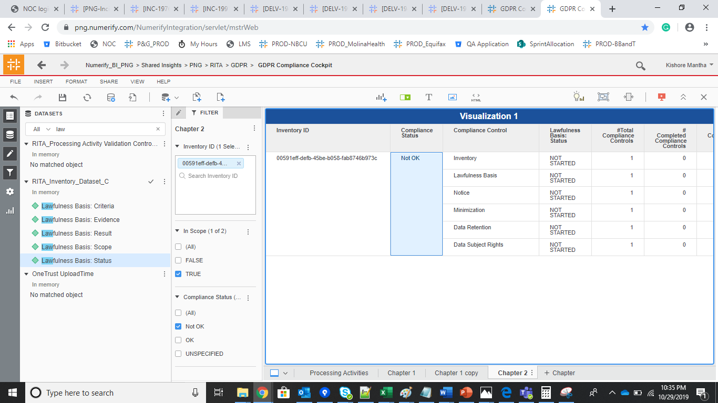
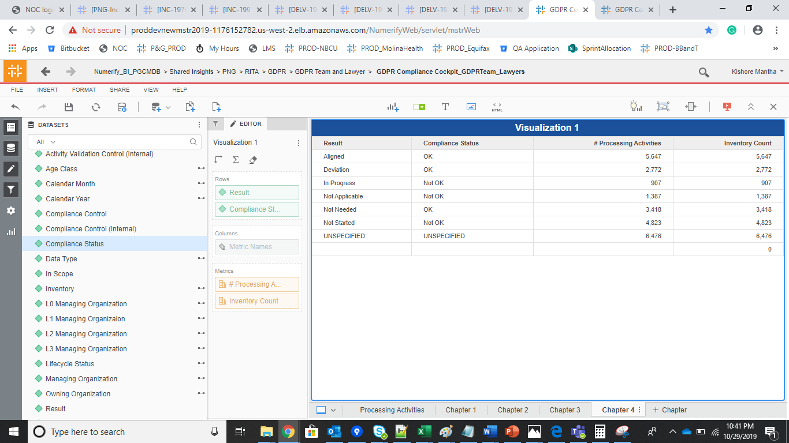
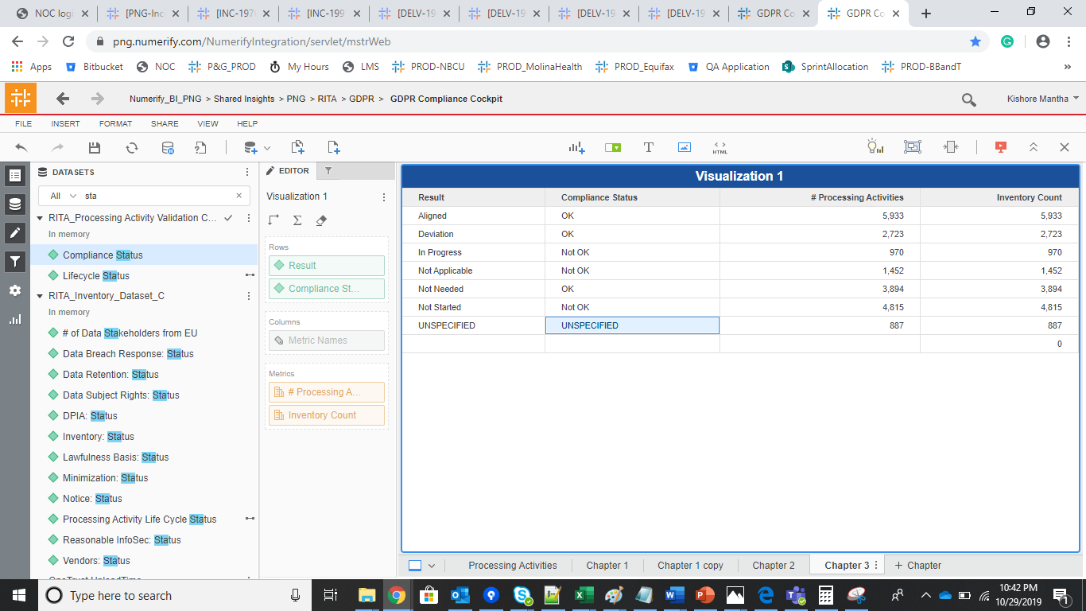
S no | Attribute | Prod dev- CMDB Project | Prod
1 | Activity Validation Control (Internal) | No changes and Working fine
2 | Age Class | No changes and Working fine
3 | Calendar Month | No changes and Working fine
4 | Calendar Year | No changes and Working fine
5 | Compliance Control | Total 8 Complaince, Invenotry has been removed. Current PROD has total 9 Compliance, where In Scope is TRUE.
6 | Compliance Control (Internal) | Same as above functionality
7 | Compliance Status | Updated the calculation based upon the Current logic
8 | Data Type | No changes and Working fine
9 | In Scope | Updated the calculation based upon the Current logic
10 | Inventory | No changes and Working fine
11 | L0 Managing Organization | No changes and Working fine
12 | L1 Managing Organizaion | No changes and Working fine
13 | L2 Managing Organization | No changes and Working fine
14 | L3 Managing Organization | No changes and Working fine
15 | Lifecycle Status | No changes and Working fine
16 | Managing Organization | No changes and Working fine
17 | Owning Organization | No changes and Working fine
18 | Result | No changes and Working fine
19 | Workstream | No changes and Working fine

S No | Metric | Prod dev | Prod
 | # Affected Processing Activities | Working fine
 | # Completed Compliance Controls | Working fine
 | # Compliance % 3Months Older | Working fine
 | # Compliance Controls 3Months Older | Working fine
 | # Processing Activities | Working fine
 | # Processing Activities 3Months Older | Working fine
 | #Pending Compliance Controls | Working fine
 | #Pending Compliance Controls 3Months Older | Working fine
 | #Total Compliance Controls | Working fine
 | Cluster Compliance | Working fine
 | Compliance Total % | Working fine

S No | PROD Dev |  | PROD
1 | # Affected Processing Activities | 698 | # Affected Processing Activities | 1294
2 | # Completed Compliance Controls | 24442 | # Completed Compliance Controls | 29663
3 | # Compliance % 3 Months Older | 95.749061402 | # Compliance % 3Months Older | 95.672789973
4 | # Compliance Controls 3 Months Older | 23718 | # Compliance Controls 3Months Older | 28853
5 | # Processing Activities | 6476 | # Processing Activities | 7157
6 | # Processing Activities 3 Months Older | 6252 | # Processing Activities 3Months Older | 6396
7 | #Pending Compliance Controls | 1427 | #Pending Compliance Controls | 4754
8 | #Pending Compliance Controls 3 Months Older | 1053 | #Pending Compliance Controls 3Months Older | 1305
9 | #Total Compliance Controls | 25869 | #Total Compliance Controls | 34417
10 | Cluster Compliance | 10020 | Cluster Compliance | 16848
11 | Compliance Total % | 94.483745023 | Compliance Total % | 86.187058721
12 | Row Count | 58284 | Row Count | 64413

 | PROD Dev -Compliane Validation |  |  | Current PROD instance

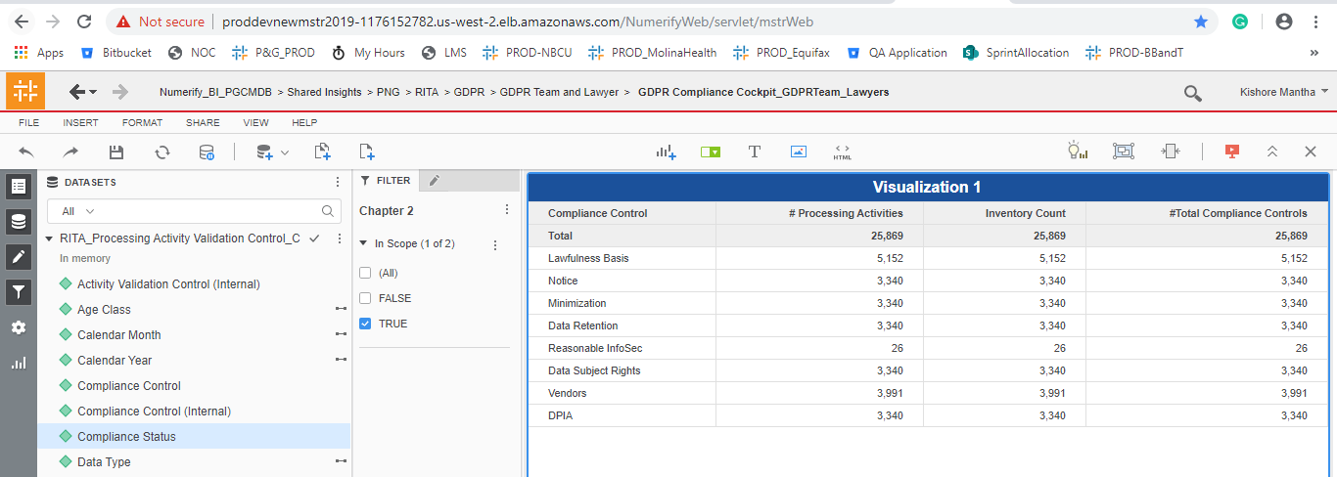
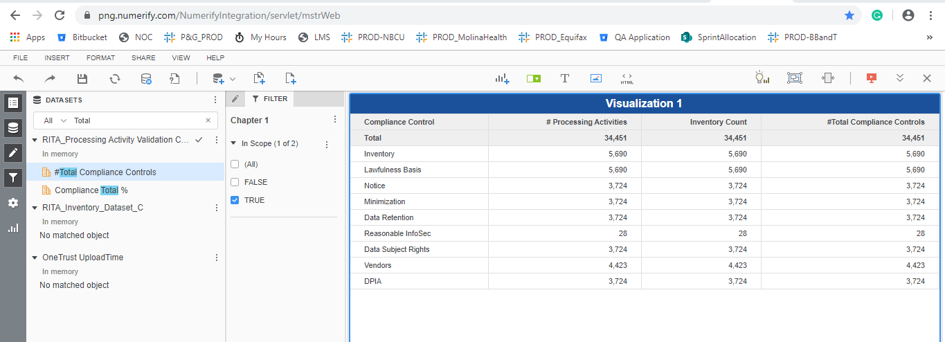

 | Test Data
 | 00591eff-defb-45be-b058-fab8746b973c

Dashboard Validation
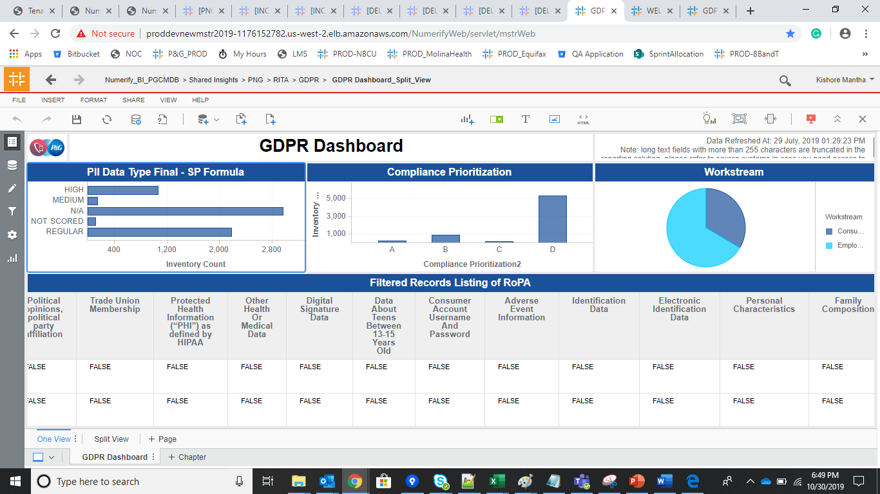
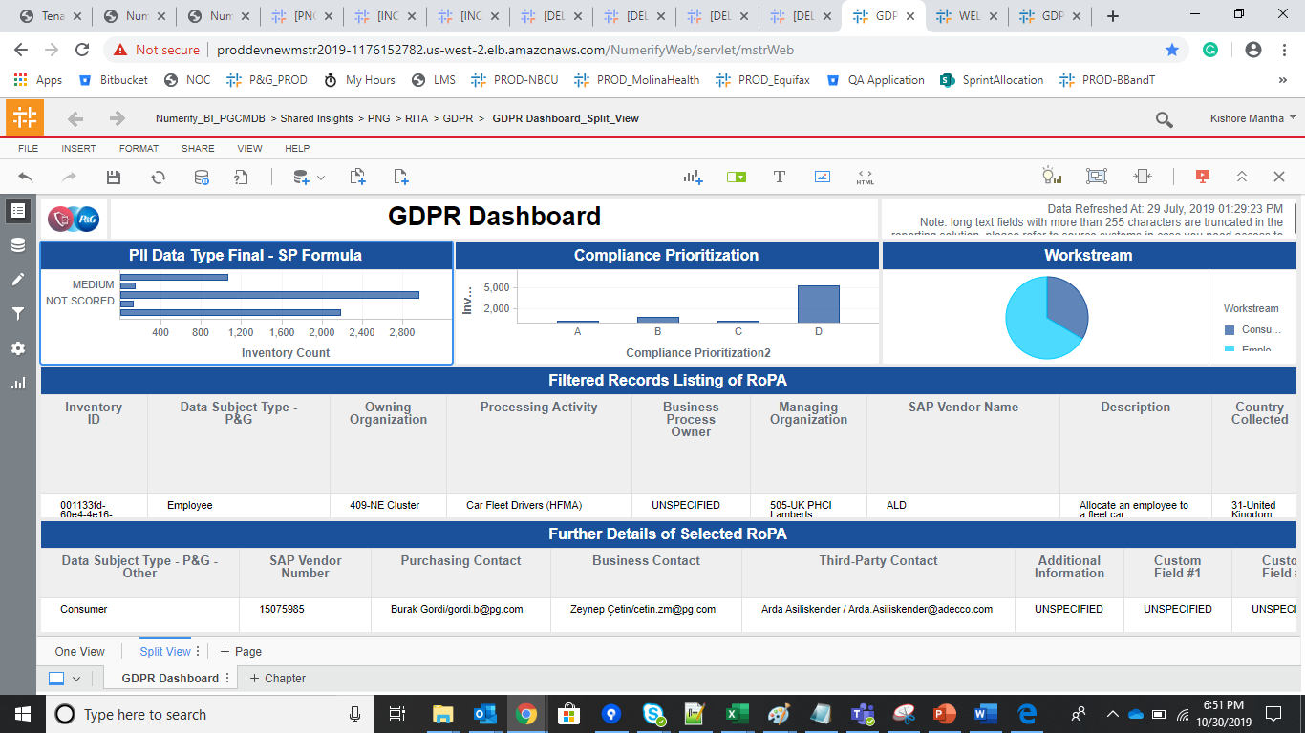
GDPR Compliance Cockpit

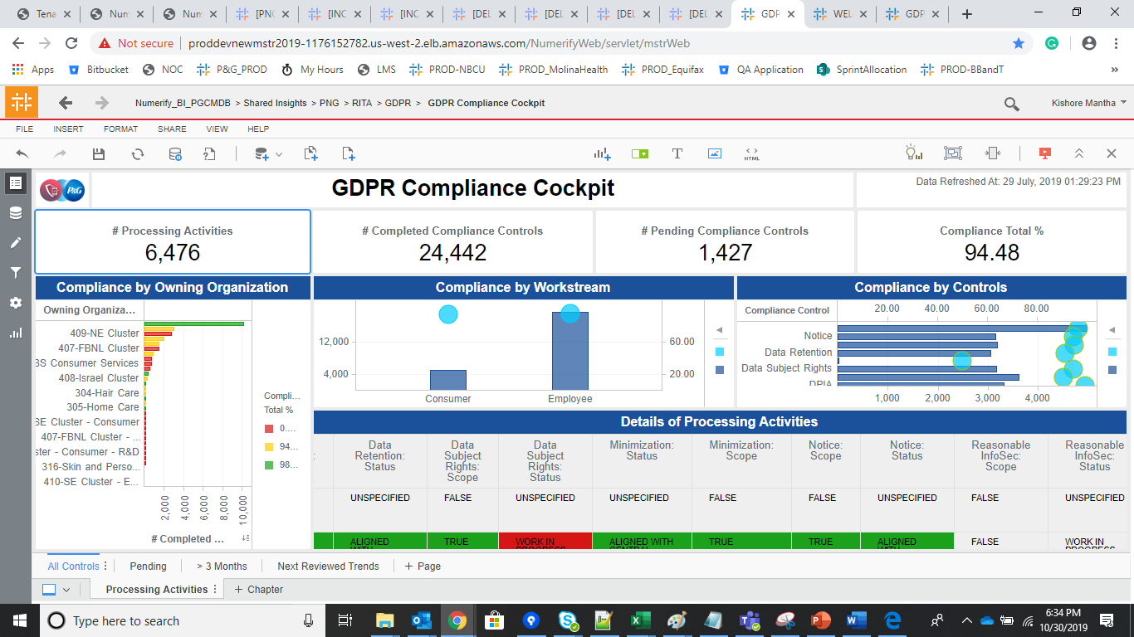
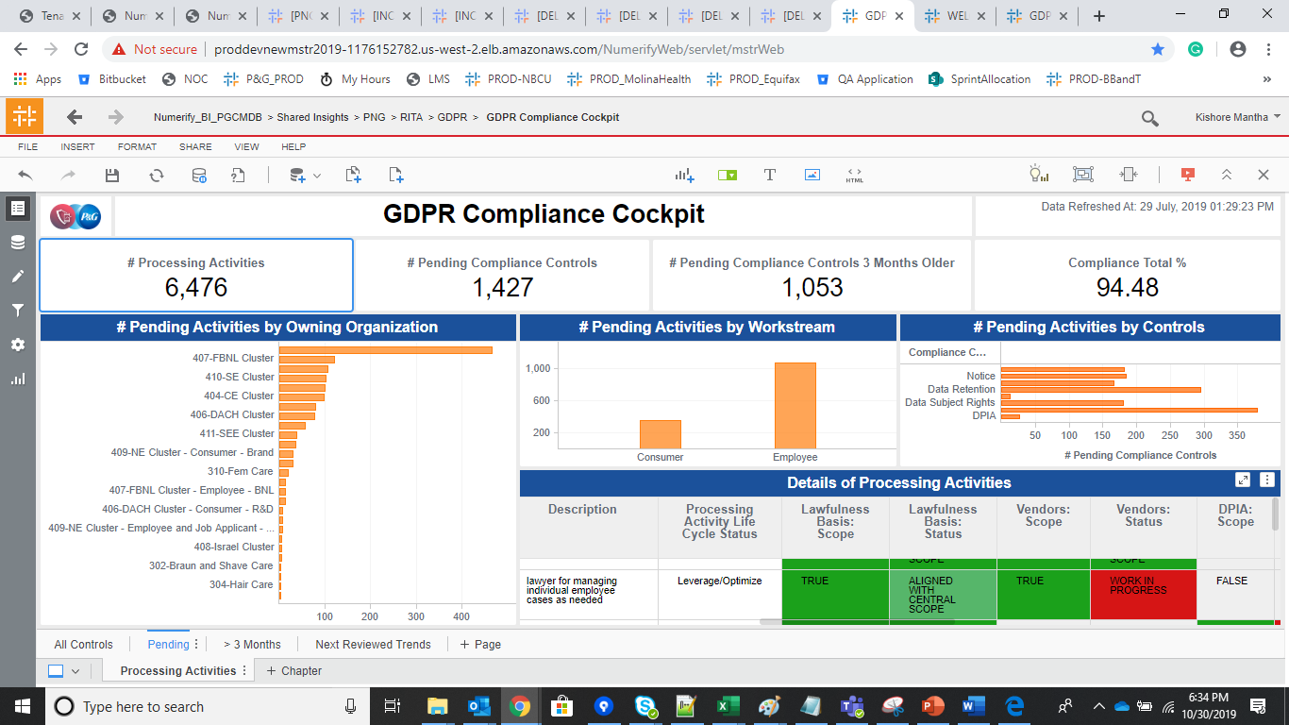

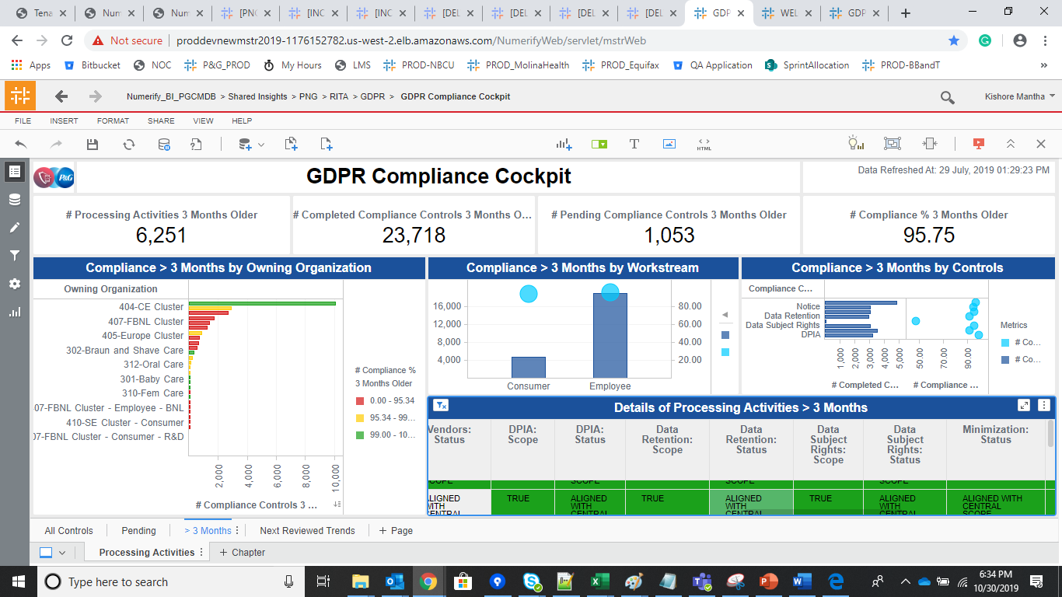
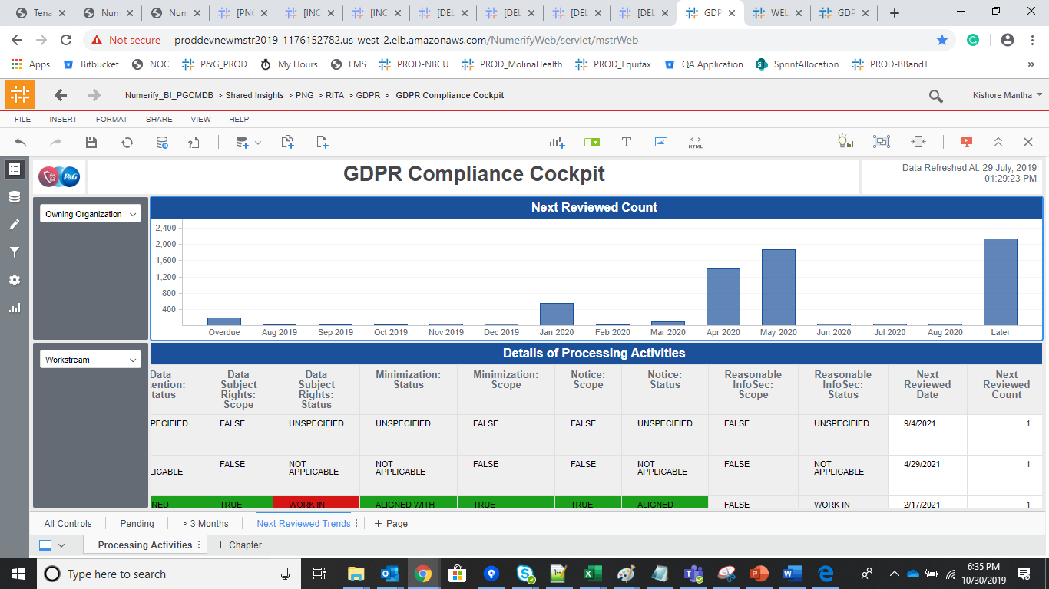

Split View

